TOTAL
Alkalmazott szűrők: TRANSPORT_MODE egyezik ezzel: Sea Reference type egyezik ezzel: Highlighted references only „QUERY_List_Carrier_name_EDIQ_Act”[LSP] egyezik ezzel: Maersk Date ekkori vagy későbbi a következőnél: 2026.04.20. 0:00:00 és dátuma korábbi, mint 2026.04.27. 0:00:00 SHIPMENT_CANCELLED egyezik ezzel: (Üres) Previous and next 1 year egyezik ezzel: Y KPI_Category nem egyezik ezzel: Mapping
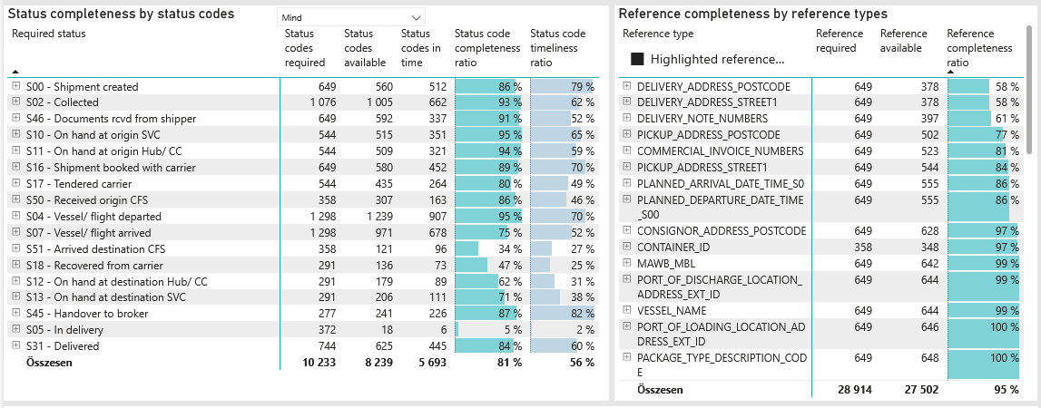
Required status | Status type | „QUERY_List_Carrier_EDIQ_Act”[LSP] | Status codes required | Status codes available | Status codes in time | Status code completeness ratio | Status code timeliness ratio
S00 - Shipment created | Actual | Maersk | 649 | 560 | 512 | 86 % | 79 %
S02 - Collected | Estimated | Maersk | 538 | 509 | 436 | 95 % | 81 %
S02 - Collected | Actual | Maersk | 538 | 496 | 226 | 92 % | 42 %
S46 - Documents rcvd from shipper | Actual | Maersk | 649 | 592 | 337 | 91 % | 52 %
S10 - On hand at origin SVC | Actual | Maersk | 544 | 515 | 351 | 95 % | 65 %
S11 - On hand at origin Hub/ CC | Actual | Maersk | 544 | 509 | 321 | 94 % | 59 %
S16 - Shipment booked with carrier | Actual | Maersk | 649 | 580 | 452 | 89 % | 70 %
S17 - Tendered carrier | Actual | Maersk | 544 | 435 | 264 | 80 % | 49 %
S50 - Received origin CFS | Actual | Maersk | 358 | 307 | 163 | 86 % | 46 %
S04 - Vessel/ flight departed | Estimated | Maersk | 649 | 636 | 552 | 98 % | 85 %
S04 - Vessel/ flight departed | Actual | Maersk | 649 | 603 | 355 | 93 % | 55 %
S07 - Vessel/ flight arrived | Estimated | Maersk | 649 | 642 | 438 | 99 % | 67 %
S07 - Vessel/ flight arrived | Actual | Maersk | 649 | 329 | 240 | 51 % | 37 %
S51 - Arrived destination CFS | Actual | Maersk | 358 | 121 | 96 | 34 % | 27 %
S18 - Recovered from carrier | Actual | Maersk | 291 | 136 | 73 | 47 % | 25 %
S12 - On hand at destination Hub/ CC | Actual | Maersk | 291 | 179 | 89 | 62 % | 31 %
S13 - On hand at destination SVC | Actual | Maersk | 291 | 206 | 111 | 71 % | 38 %
S45 - Handover to broker | Actual | Maersk | 277 | 241 | 226 | 87 % | 82 %
S05 - In delivery | Actual | Maersk | 372 | 18 | 6 | 5 % | 2 %
S31 - Delivered | Estimated | Maersk | 372 | 364 | 311 | 98 % | 84 %
S31 - Delivered | Actual | Maersk | 372 | 261 | 134 | 70 % | 36 %

FCL
Alkalmazott szűrők: TRANSPORT_MODE egyezik ezzel: Sea TRANSPORT_SERVICE_PRIORITY egyezik ezzel: FCL/FCL/FCL Reference type egyezik ezzel: Highlighted references only „QUERY_List_Carrier_name_EDIQ_Act”[LSP] egyezik ezzel: Maersk Date ekkori vagy későbbi a következőnél: 2026.04.20. 0:00:00 és dátuma korábbi, mint 2026.04.27. 0:00:00 SHIPMENT_CANCELLED egyezik ezzel: (Üres) Previous and next 1 year egyezik ezzel: Y KPI_Category nem egyezik ezzel: Mapping
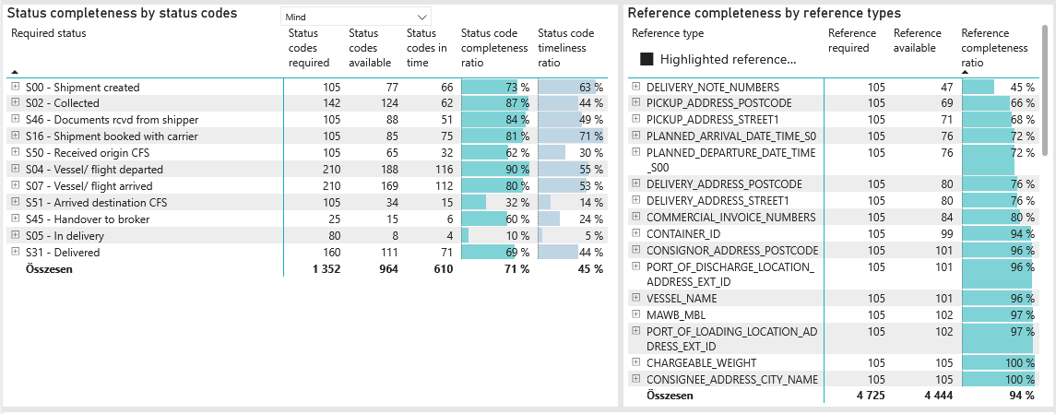
Required status | Status type | „QUERY_List_Carrier_EDIQ_Act”[LSP] | Status codes required | Status codes available | Status codes in time | Status code completeness ratio | Status code timeliness ratio
S00 - Shipment created | Actual | Maersk | 105 | 77 | 66 | 73 % | 63 %
S02 - Collected | Estimated | Maersk | 71 | 65 | 44 | 92 % | 62 %
S02 - Collected | Actual | Maersk | 71 | 59 | 18 | 83 % | 25 %
S46 - Documents rcvd from shipper | Actual | Maersk | 105 | 88 | 51 | 84 % | 49 %
S16 - Shipment booked with carrier | Actual | Maersk | 105 | 85 | 75 | 81 % | 71 %
S50 - Received origin CFS | Actual | Maersk | 105 | 65 | 32 | 62 % | 30 %
S04 - Vessel/ flight departed | Estimated | Maersk | 105 | 96 | 81 | 91 % | 77 %
S04 - Vessel/ flight departed | Actual | Maersk | 105 | 92 | 35 | 88 % | 33 %
S07 - Vessel/ flight arrived | Estimated | Maersk | 105 | 101 | 60 | 96 % | 57 %
S07 - Vessel/ flight arrived | Actual | Maersk | 105 | 68 | 52 | 65 % | 50 %
S51 - Arrived destination CFS | Actual | Maersk | 105 | 34 | 15 | 32 % | 14 %
S45 - Handover to broker | Actual | Maersk | 25 | 15 | 6 | 60 % | 24 %
S05 - In delivery | Actual | Maersk | 80 | 8 | 4 | 10 % | 5 %
S31 - Delivered | Estimated | Maersk | 80 | 75 | 49 | 94 % | 61 %
S31 - Delivered | Actual | Maersk | 80 | 36 | 22 | 45 % | 28 %

BCO
Alkalmazott szűrők: TRANSPORT_MODE egyezik ezzel: Sea TRANSPORT_SERVICE_PRIORITY egyezik ezzel: LCL/FCL/FCL Reference type egyezik ezzel: Highlighted references only „QUERY_List_Carrier_name_EDIQ_Act”[LSP] egyezik ezzel: Maersk Date ekkori vagy későbbi a következőnél: 2026.04.20. 0:00:00 és dátuma korábbi, mint 2026.04.27. 0:00:00 SHIPMENT_CANCELLED egyezik ezzel: (Üres) Previous and next 1 year egyezik ezzel: Y KPI_Category nem egyezik ezzel: Mapping
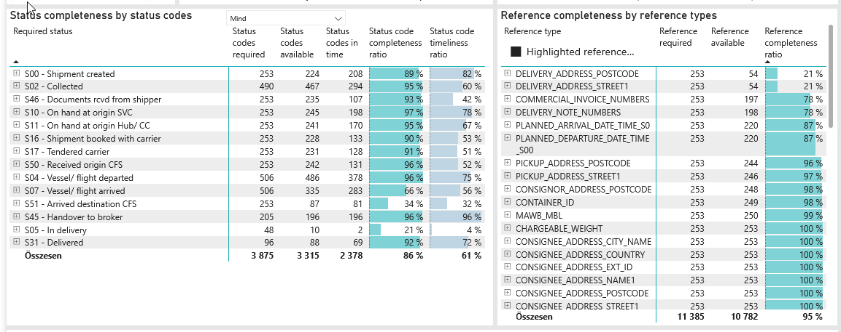
Required status | Status type | „QUERY_List_Carrier_EDIQ_Act”[LSP] | Status codes required | Status codes available | Status codes in time | Status code completeness ratio | Status code timeliness ratio
S00 - Shipment created | Actual | Maersk | 253 | 224 | 208 | 89 % | 82 %
S02 - Collected | Estimated | Maersk | 245 | 234 | 205 | 96 % | 84 %
S02 - Collected | Actual | Maersk | 245 | 233 | 89 | 95 % | 36 %
S46 - Documents rcvd from shipper | Actual | Maersk | 253 | 235 | 107 | 93 % | 42 %
S10 - On hand at origin SVC | Actual | Maersk | 253 | 245 | 198 | 97 % | 78 %
S11 - On hand at origin Hub/ CC | Actual | Maersk | 253 | 241 | 170 | 95 % | 67 %
S16 - Shipment booked with carrier | Actual | Maersk | 253 | 228 | 133 | 90 % | 53 %
S17 - Tendered carrier | Actual | Maersk | 253 | 231 | 128 | 91 % | 51 %
S50 - Received origin CFS | Actual | Maersk | 253 | 242 | 131 | 96 % | 52 %
S04 - Vessel/ flight departed | Estimated | Maersk | 253 | 252 | 220 | 100 % | 87 %
S04 - Vessel/ flight departed | Actual | Maersk | 253 | 234 | 158 | 92 % | 62 %
S07 - Vessel/ flight arrived | Estimated | Maersk | 253 | 252 | 212 | 100 % | 84 %
S07 - Vessel/ flight arrived | Actual | Maersk | 253 | 83 | 71 | 33 % | 28 %
S51 - Arrived destination CFS | Actual | Maersk | 253 | 87 | 81 | 34 % | 32 %
S45 - Handover to broker | Actual | Maersk | 205 | 196 | 196 | 96 % | 96 %
S05 - In delivery | Actual | Maersk | 48 | 10 | 2 | 21 % | 4 %
S31 - Delivered | Estimated | Maersk | 48 | 47 | 44 | 98 % | 92 %
S31 - Delivered | Actual | Maersk | 48 | 41 | 25 | 85 % | 52 %

LCL
Alkalmazott szűrők: TRANSPORT_MODE egyezik ezzel: Sea TRANSPORT_SERVICE_PRIORITY egyezik ezzel: LCL/LCL/LCL Reference type egyezik ezzel: Highlighted references only „QUERY_List_Carrier_name_EDIQ_Act”[LSP] egyezik ezzel: Maersk Date ekkori vagy későbbi a következőnél: 2026.04.20. 0:00:00 és dátuma korábbi, mint 2026.04.27. 0:00:00 SHIPMENT_CANCELLED egyezik ezzel: (Üres) Previous and next 1 year egyezik ezzel: Y KPI_Category nem egyezik ezzel: Mapping

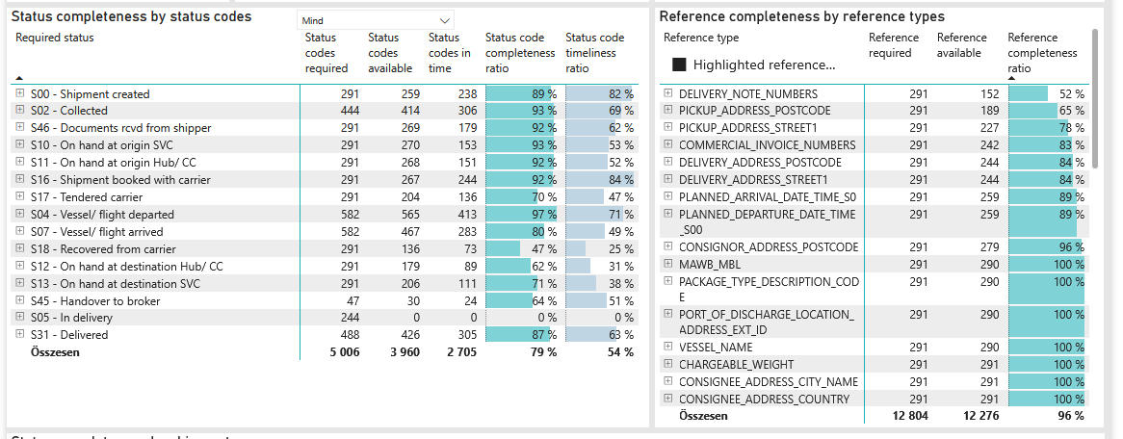
Required status | Status type | „QUERY_List_Carrier_EDIQ_Act”[LSP] | Status codes required | Status codes available | Status codes in time | Status code completeness ratio | Status code timeliness ratio
S00 - Shipment created | Actual | Maersk | 291 | 259 | 238 | 89 % | 82 %
S02 - Collected | Estimated | Maersk | 222 | 210 | 187 | 95 % | 84 %
S02 - Collected | Actual | Maersk | 222 | 204 | 119 | 92 % | 54 %
S46 - Documents rcvd from shipper | Actual | Maersk | 291 | 269 | 179 | 92 % | 62 %
S10 - On hand at origin SVC | Actual | Maersk | 291 | 270 | 153 | 93 % | 53 %
S11 - On hand at origin Hub/ CC | Actual | Maersk | 291 | 268 | 151 | 92 % | 52 %
S16 - Shipment booked with carrier | Actual | Maersk | 291 | 267 | 244 | 92 % | 84 %
S17 - Tendered carrier | Actual | Maersk | 291 | 204 | 136 | 70 % | 47 %
S04 - Vessel/ flight departed | Estimated | Maersk | 291 | 288 | 251 | 99 % | 86 %
S04 - Vessel/ flight departed | Actual | Maersk | 291 | 277 | 162 | 95 % | 56 %
S07 - Vessel/ flight arrived | Estimated | Maersk | 291 | 289 | 166 | 99 % | 57 %
S07 - Vessel/ flight arrived | Actual | Maersk | 291 | 178 | 117 | 61 % | 40 %
S18 - Recovered from carrier | Actual | Maersk | 291 | 136 | 73 | 47 % | 25 %
S12 - On hand at destination Hub/ CC | Actual | Maersk | 291 | 179 | 89 | 62 % | 31 %
S13 - On hand at destination SVC | Actual | Maersk | 291 | 206 | 111 | 71 % | 38 %
S45 - Handover to broker | Actual | Maersk | 47 | 30 | 24 | 64 % | 51 %
S05 - In delivery | Actual | Maersk | 244 | 0 | 0 | 0 % | 0 %
S31 - Delivered | Estimated | Maersk | 244 | 242 | 218 | 99 % | 89 %
S31 - Delivered | Actual | Maersk | 244 | 184 | 87 | 75 % | 36 %

